.
 |  |  | 2,664 | € 110.43 | € 294,195.48
FOTO | BRAND | DESCRIZIONE | STOCK | RRP | Total Retail Value
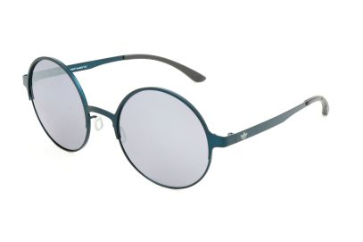 8055341227038 | Adidas | ADI SUN AOM004 BI4805 026.000 52 21 140 | 28 | € 135.00 | € 3,780.00
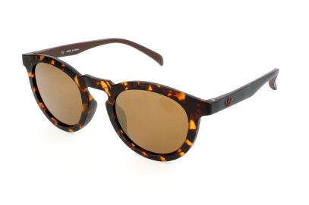 8055341247968 | Adidas | ADI SUN AOR017 CI8313 148.009 47 23 140 | 2 | € 99.00 | € 198.00
 | Adidas | ADI SUN AOK003 CK4089 147.PLR 51 21 145 | 69 | € 99.00 | € 6,831.00
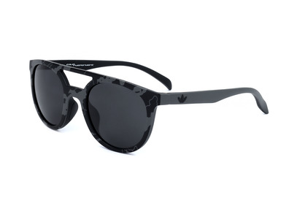 8055341205524 | Adidas | ADI SUN AOR003 BA7067 143.070 50 22 140 | 9 | € 99.00 | € 891.00
8055341205746 | Adidas | ADI SUN AOR006 BD6106 027.001 51 20 140 | 4 | € 138.99 | € 555.96
 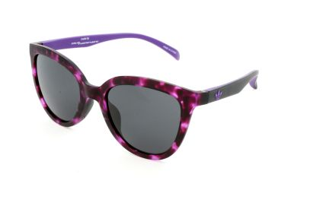 8055341205753 | Adidas | ADI SUN AOR006 BD6109 144.009 51 20 140 | 91 | € 99.00 | € 9,009.00
8055341205807 | Adidas | ADI SUN AOR007 BD6089 017.009 53 22 140 | 14 | € 99.00 | € 1,386.00
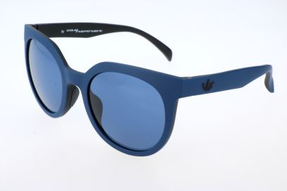 8055341205814 | Adidas | ADI SUN AOR007 BD6091 021009 53 22 140 | 5 | € 138.99 | € 694.95
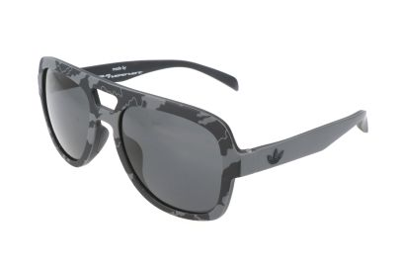 8055341206002 | Adidas | ADI SUN AOR011 BA7023 143.070 54 19 140 | 1 | € 99.00 | € 99.00
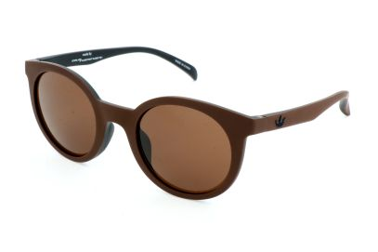 8055341206132 | Adidas | ADI SUN AOR013 BA7072 044.009 50 24 140 | 100 | € 138.99 | € 13,899.00
 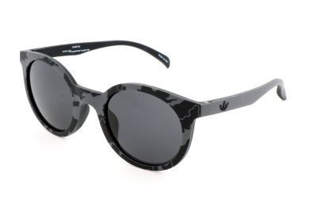 8055341206156 | Adidas | ADI SUN AOR013 BA7075 143.070 50 24 140 | 94 | € 119.00 | € 11,186.00
8055341206569 | Adidas | ADI SUN AOR008 BD6087 148.001 53 21 140 | 10 | € 99.00 | € 990.00
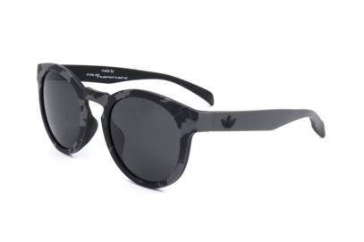 8055341206651 | Adidas | ADI SUN AOR009 BA7044 143.070 51 23 140 | 30 | € 119.00 | € 3,570.00
8055341226482 | Adidas | ADI SUN AOR008 BI4757 DSY.070 53 21 140 | 24 | € 119.00 | € 2,856.00
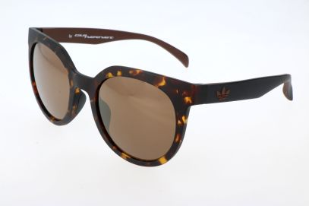 8055341226567 | Adidas | ADI SUN AOR007 BI4751 148.009 53 22 140 | 1 | € 99.00 | € 99.00
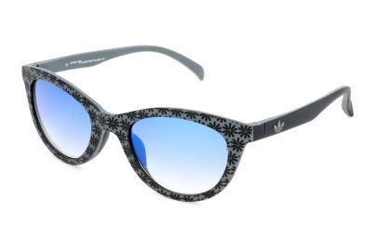 8055341226628 | Adidas | ADI SUN AOR014 BI4764 DSY.070 50 21 140 | 59 | € 138.89 | € 8,194.51
8055341226703 | Adidas | ADI SUN AOR015 BI4772 CAM.030 53 20 140 | 19 | € 99.00 | € 1,881.00
8055341226741 | Adidas | ADI SUN AOR016 BI4776 019.040 49 25 140 | 34 | € 99.00 | € 3,366.00
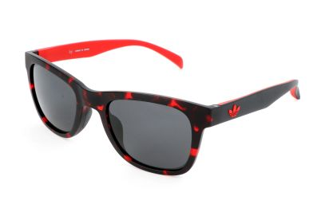 8055341226826 | Adidas | ADI SUN AOR004 BI4738 142.009 52 22 140 | 15 | € 99.00 | € 1,485.00
8055341226918 | Adidas | ADI SUN AOM006 BI4813 028.120 50 21 145 | 20 | € 99.00 | € 1,980.00
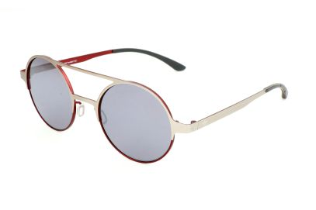 8055341226925 | Adidas | ADI SUN AOM006 BI4814 075.057 50 21 145 | 17 | € 99.00 | € 1,683.00
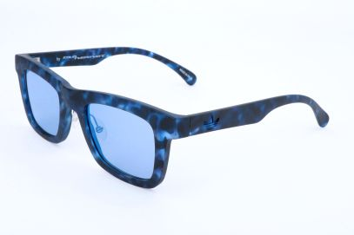 8055341244196 | Adidas | ADI SUN AORP002 CI4771 141.000 49 22 140 | 10 | € 119.00 | € 1,190.00
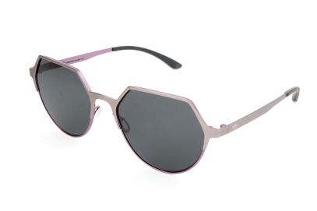 8055341248217 | Adidas | ADI SUN AOM007 CI8338 075.015 55 18 140 | 1 | € 119.00 | € 119.00
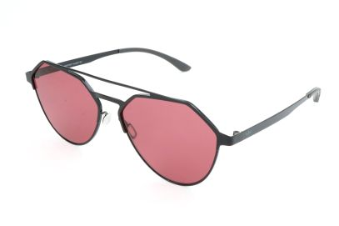 8055341248293 | Adidas | ADI SUN AOM009 CI8346 009.GLS 57 15 145 | 5 | € 99.00 | € 495.00
8055341248538 | Adidas | ADI SUN AOM006 CI8370 022.GLS 50 21 145 | 6 | € 99.00 | € 594.00
8055341257301 | Adidas | ADI SUN AOM003 CK4840 WHS.071 52 19 145 | 6 | € 99.00 | € 594.00
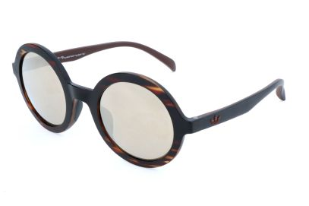 8055341257400 | Adidas | ADI SUN AOR016 CK4832 092.000 49 25 140 | 1 | € 107.69 | € 107.69
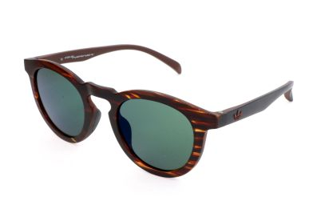 8055341257417 | Adidas | ADI SUN AOR017 CK4833 092.000 47 23 140 | 8 | € 99.00 | € 792.00
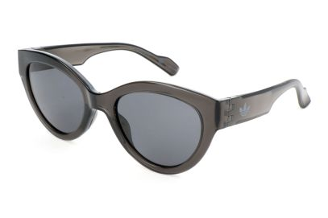 8055341258896 | Adidas | ADI SUN AOG000 CK4127 009.000 54 21 140 | 93 | € 119.00 | € 11,067.00
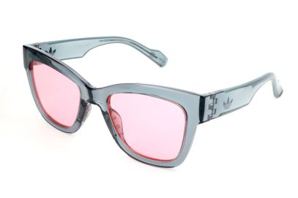 8055341258940 | Adidas | ADI SUN AOG002 CK4132 071.000 52 20 140 | 93 | € 99.00 | € 9,207.00
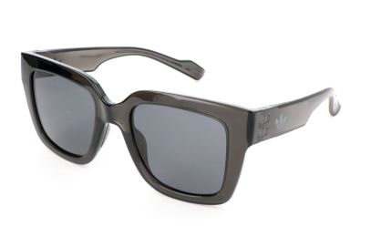 8055341258957 | Adidas | ADI SUN AOG004 CK4133 009.000 51 20 140 | 11 | € 131.99 | € 1,451.89
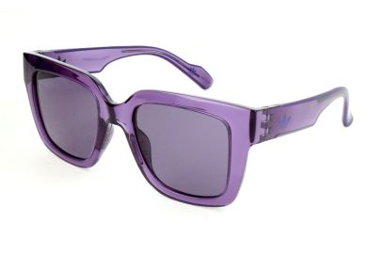 8055341258964 | Adidas | ADI SUN AOG004 CK4134 017.000 51 20 140 | 61 | € 131.99 | € 8,051.39
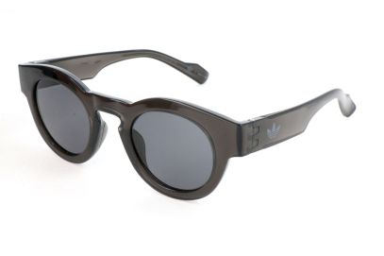 8055341259008 | Adidas | ADI SUN AOG005 CK4138 009.000 46 25 145 | 94 | € 99.00 | € 9,306.00
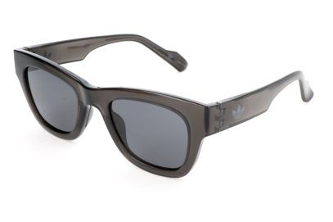 8055341259053 | Adidas | ADI SUN AOG003 CK4143 009.000 50 22 145 | 28 | € 99.00 | € 2,772.00
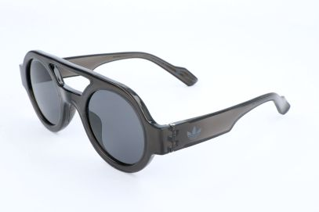 8055341259107 | Adidas | ADI SUN AOG001 CK4148 009.000 47 26 140 | 47 | € 119.00 | € 5,593.00
 8055341259145 | Adidas | ADI SUN AOG001 CK4152 070.000 47 26 140 | 23 | € 99.00 | € 2,277.00
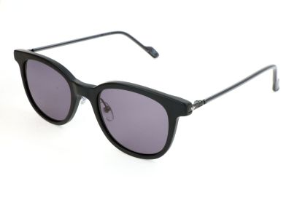 8055341259152 | Adidas | ADI SUN AOK003 CK4085 009.000 51 21 145 | 119 | € 99.00 | € 11,781.00
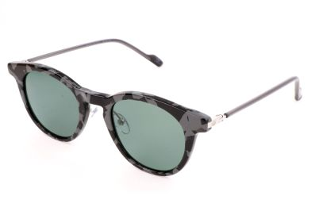 8055341259404 | Adidas | ADI SUN AOK002 CK4110 096.PLR 48 22 145 | 84 | € 131.99 | € 11,087.16
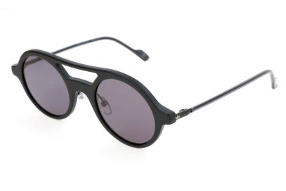 8055341259411 | Adidas | ADI SUN AOK004 CK4111 009.000 48 23 145 | 28 | € 107.69 | € 3,015.32
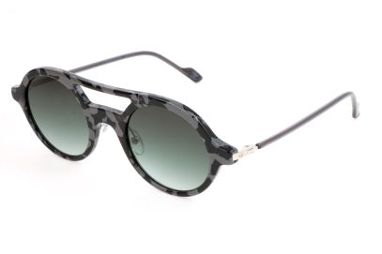 8055341259459 | Adidas | ADI SUN AOK004 CK4115 096.000 48 23 145 | 21 | € 99.00 | € 2,079.00
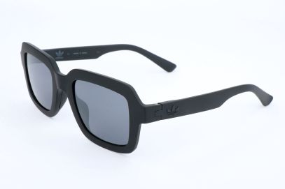 8055341260899 | Adidas | ADI SUN AOR021 CL1644 009.009 50 22 145 | 2 | € 99.00 | € 198.00
 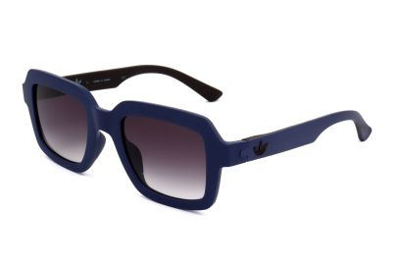 8055341260912 | Adidas | ADI SUN AOR021 CL1647 021.043 50 22 145 | 12 | € 109.00 | € 1,308.00
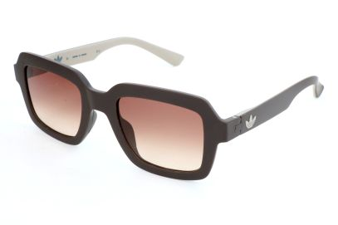 8055341260929 | Adidas | ADI SUN AOR021 CL1648 043.041 50 22 145 | 21 | € 99.00 | € 2,079.00
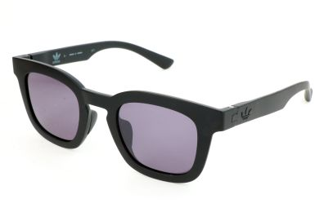 8055341260950 | Adidas | ADI SUN AOR022 CL1649 009.009 48 24 145 | 22 | € 99.00 | € 2,178.00
8055341260974 | Adidas | ADI SUN AOR022 CL1652 043.041 48 24 145 | 28 | € 99.00 | € 2,772.00
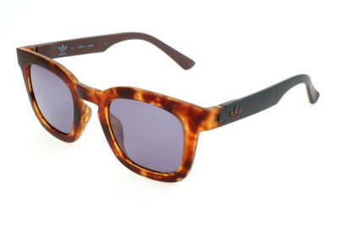 8055341260981 | Adidas | ADI SUN AOR022 CL1651 148.009 48 24 145 | 84 | € 99.00 | € 8,316.00
8055341260998 | Adidas | ADI SUN AOR023 CL1655 009.001 48 22 145 | 119 | € 99.00 | € 11,781.00
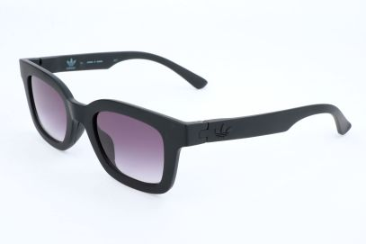 8055341261001 | Adidas | ADI SUN AOR023 CL1654 009.009 48 22 145 | 100 | € 99.00 | € 9,900.00
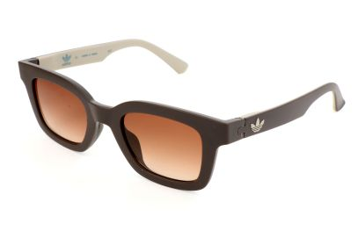 8055341261025 | Adidas | ADI SUN AOR023 CL1657 043.041 48 22 145 | 99 | € 131.89 | € 13,057.11
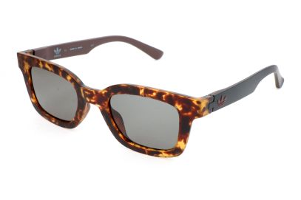 8055341261032 | Adidas | ADI SUN AOR023 CL1656 148.009 48 22 145 | 24 | € 99.00 | € 2,376.00
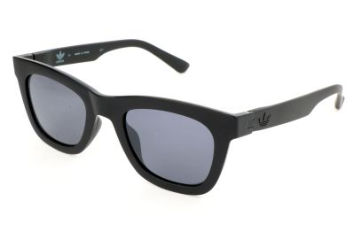 8055341261056 | Adidas | ADI SUN AOR024 CL1659 009.009 51 23 145 | 5 | € 119.00 | € 595.00
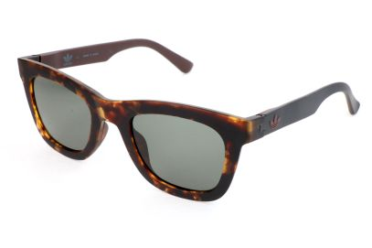 8055341261087 | Adidas | ADI SUN AOR024 CL1661 148.009 51 23 145 | 19 | € 131.89 | € 2,505.91
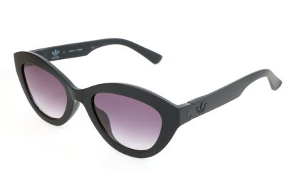 8055341261100 | Adidas | ADI SUN AOR026 CL1669 009.009 51 21 140 | 44 | € 99.00 | € 4,356.00
 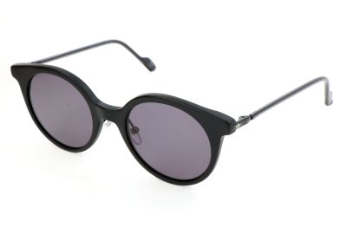 8055341261292 | Adidas | ADI SUN AOK007 CL1674 009.000 49 21 140 | 73 | € 99.00 | € 7,227.00
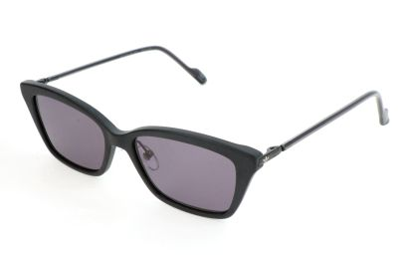 8055341261346 | Adidas | ADI SUN AOK008 CL1679 009.000 53 17 140 | 133 | € 99.00 | € 13,167.00
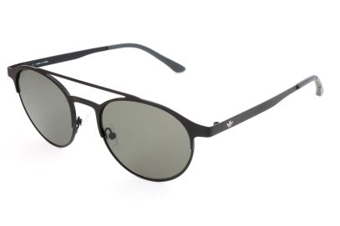 8055341273387 | Adidas | ADI SUN AOM003 BI4797 009.000 52 19 145 | 2 | € 99.00 | € 198.00
8055341273424 | Adidas | ADI SUN AOM003 CK4840 WHS.071 52 19 145 | 14 | € 131.89 | € 1,846.46
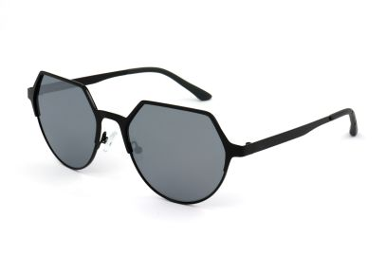 8055341273448 | Adidas | ADI SUN AOM007 CI8335 009.GLS 55 18 140 | 10 | € 131.89 | € 1,318.90
8055341288367 | Adidas | ADI SUN AOM013 CM1294 075.009 51 17 140 | 2 | € 99.00 | € 198.00
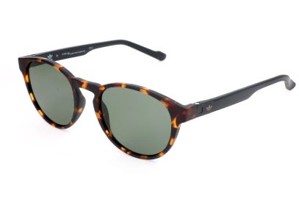 8055341297369 | Adidas | ADI SUN AOR028 CM1382 092.009 50 20 145 | 8 | € 99.00 | € 792.00
8055341297413 | Adidas | ADI SUN AOR029 CM1390 092.009 55 15 145 | 59 | € 99.00 | € 5,841.00
8055341297468 | Adidas | ADI SUN AOR030 CM1392 092.009 52 19 145 | 14 | € 99.00 | € 1,386.00
8055341297567 | Adidas | ADI SUN AOR032 CM1402 092.009 57 17 145 | 7 | € 131.89 | € 923.23
8055341297833 | Adidas | ADI SUN AOR004/N 009.009 52 22 140 | 2 | € 149.00 | € 298.00
8055341297901 | Adidas | ADI SUN AOR016/N 009.009 49 25 140 | 59 | € 99.00 | € 5,841.00
8055341297918 | Adidas | ADI SUN AOR016/N 009.011 49 25 140 | 3 | € 99.00 | € 297.00
8055341297970 | Adidas | ADI SUN AOR017/N 009.070 47 23 140 | 57 | € 99.00 | € 5,643.00
8055341297994 | Adidas | ADI SUN AOR017/N 092.000 47 23 140 | 119 | € 139.00 | € 16,541.00
8055341298007 | Adidas | ADI SUN AOR017/N 148.009 47 23 140 | 69 | € 119.00 | € 8,211.00
8055341298014 | Adidas | ADI SUN AOR017/N 153.009 47 23 140 | 69 | € 99.00 | € 6,831.00
 |  |  | 2664

